Sheet1
MEAN | 6.0000 | WHEN WE HAVE LARGE DATA SETS, WE GROUP THE DATA. IN THIS CASE OUR GROUPS WILL BE:
STD DEV | 2.17 | IN A NORMAL DISTRIBUTION THE MEAN, MEDIAN AND MODE ARE ALL THE SAME NUMBER
X-VALUES | Z-VALUES |  | GROUP | NUMBER OF DATA POINTS IN IT
2 | -1.84 |  | 2.0-2.9 | 2
2 | -1.84 |  | 3.0-3.9 | 3
3 | -1.38 |  | 4.0-4.9 | 4
3 | -1.38 |  | 5.0-5.9 | 5
3 | -1.38 |  | 6.0-6.9 | 6
4 | -0.92 |  | 7.0-7.9 | 5
4 | -0.92 |  | 8.0-8.9 | 4
4 | -0.92 |  | 9.0-9.9 | 3
4 | -0.92 |  | 10.0-10.9 | 2
5 | -0.46
5 | -0.46
5 | -0.46
5 | -0.46
5 | -0.46
X-VALUES: 2 3 4 5 6 7 8 9 10
(3.83)
6 | 0.00
6 | 0.00
Z-VALUES: -2 -1 0 +1 +2
6 | 0.00
6 | 0.00
6 | 0.00
6 | 0.00 |  | THE X-VALUES ARE THE DATA POINTS AND WE HAVE GROUPED THEM AS SHOWN.
7 | 0.46 |  | Z-VALUES ARE CALCULATED AND SHOW THE NUMBER OF STANDARD DEVIATIONS A DATA POINT (OR GROUP OF DATA POINTS) IS FROM THE MEAN
7 | 0.46 |  |  |  | Z = ( X - MEAN) / STD DEV
7 | 0.46 |  | OF COURSE IF YOU HAVE A Z-VALUE YOU CAN BACK CALCULATE TO GET THE X-VALUE: X = Z TIMES THE STD DEV + THE MEAN
7 | 0.46 |  | AS AN EXAMPLE USE THE Z-VALUE OF +0.46 TO SEE WHAT X-VALUE IT REPRESENTS: X = 0.46 x 2.17 + 6.0 = 7.0
7 | 0.46 |  | SIMILARLY THE X-VALUE (OR GROUP) THAT IS -1 STANDARD DEVIATION BELOW THE MEAN (Z = -1) WOULD BE: X = 1 x 2.17 + 6.0 = 3.83
8 | 0.92 |  | WHILE THE SHAPE OF OUR EARLIER GRAPH WAS RECTANGULAR, THIS GRAPH HAS A BELL SHAPE, REFERRED TO AS THE "NORMAL" DISTRIBUTION.
8 | 0.92 |  | AND, AS WITH THE RECTANGULAR GRAPH THE AREA SHOWN IN THIS GRAPH REPRESENTS 100 % OF OUR DATA AND ANY PORTION OF IT REPRESENTS
8 | 0.92 |  | THE PERCENTAGE OF OUR DATA IN THAT AREA AS WELL AS THE PROBABILITY THAT SPECIFIC DATA ARE IN THAT REGION.
8 | 0.92 |  | HERE IS A MORE TYPICAL BELL CURVE GRAPH:
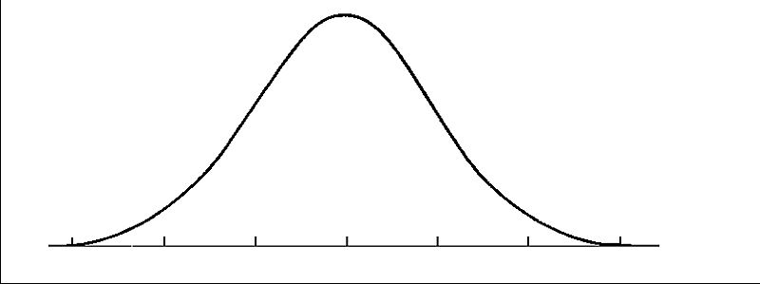
9 | 1.38 |  |  |  |  |  | TO CALCULATE THE AREA IN ANY SECTION OF THIS BELL CURVE GRAPH WE NEED TO KNOW THE EQUATION FOR THE LINE,
9 | 1.38 |  |  |  |  |  | AND THEN WE USE INTEGRAL CALCULUS TO CALCULATE THE AREA UNDER THAT CURVE FOR THE AREA SELECTED.
9 | 1.38 |  |  |  |  |  | n
10 | 1.84 |  |  |  |  |  | ʃ
10 | 1.84 |  |  |  |  |  | x= 1

 |  |  | FORTUNATELY FOR US, THESE AREAS HAVE BEEN CALCULATED AND PUT INTO TABLES. THE HORIZONAL AXIS HAS THE Z-VALUES ON IT, WHICH
 |  |  | ARE THE STANDARD DEVIATIONS FROM THE MEAN AND THE TABLE GIVES US THE AREA TO THE LEFT OF THAT Z-VALUE. (SEE & PRINT THE ATTACHED TABLES)
 |  |  | TO GET THE AREA TO THE RIGHT WE MUST SUBTRACT THE TABLE VALUE FROM 1.0000 SINCE THE SUM OF BOTH AREAS EQUALS 100% OR 1.00 AS A DECIMAL.

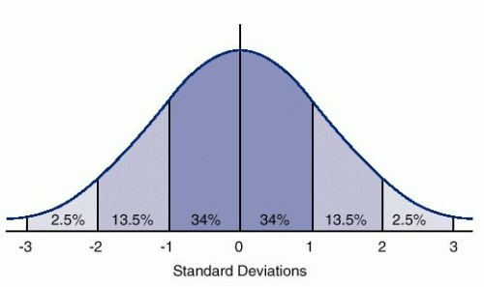
 |  |  | HERE ARE SOME "WORKED-OUT" AREAS:
 |  |  |  |  |  | 68.3% OF THE AREA (OUR DATA VALUES) ARE WITHIN -1 AND +1 STANDARD DEVIATIONS FROM THE MEAN
 |  |  |  |  |  | 95.4% OF THE AREA (OUR DATA VALUES) ARE WITHIN -2 AND +2 STANDARD DEVIATIONS FROM THE MEAN
 |  |  |  |  |  | 99.7% OF THE AREA (OUR DATA VALUES) ARE WITHIN -3 AND +3 STANDARD DEVIATIONS FROM THE MEAN

 |  |  |  |  |  | AN "UNUSUAL" VALUE IS CONSIDERED ONE THAT IS MORE THAN TWO STANDARD DEVAIONS FROM THE MEAN (Z = + 2)

 |  |  |  |  |  | MORE SPECIFICALLY, THIS "UNUSAL" OR RARE EVENT AREA CORRESPONDS TO 5% OF THE GRAPH AREA
 |  |  |  |  |  | ACCORDINGLY, THESE CRITICAL Z-VALUES ARE +1.645 ON THE RIGHT END AND -1.645 ON THE LEFT END OF THE GRAPH.
 |  |  |  |  |  | SEE IF YOU CAN FIND THE AREA IN THE TABLE (0.05) FOR THESE Z-VALUES.

